Sheet1
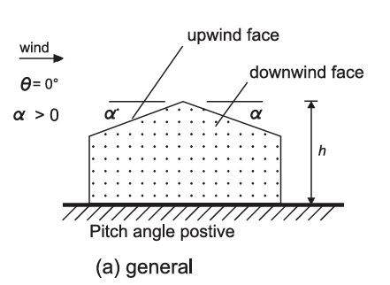
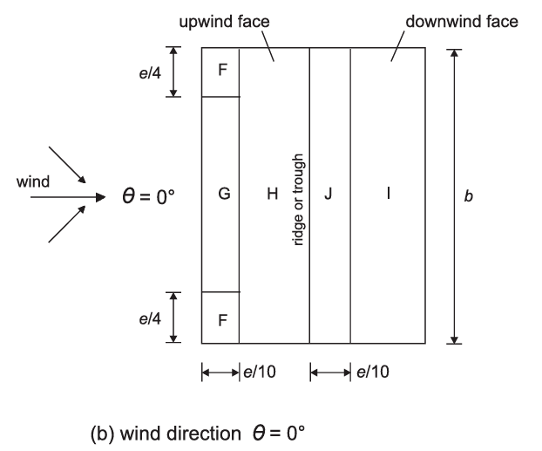
Wind load calculation in accordance with DS/EN 1991-1-4

Building geometry |  |  |  |  |  |  | Reference

Width of the building: |  |  |  |  |  | 14.4 m
Height of the building: |  |  |  |  |  | 6.8 m
Length of the building: |  |  |  |  |  | 28.8 m
Roof slope: |  |  |  |  |  | 20 deg

Plot of building layout
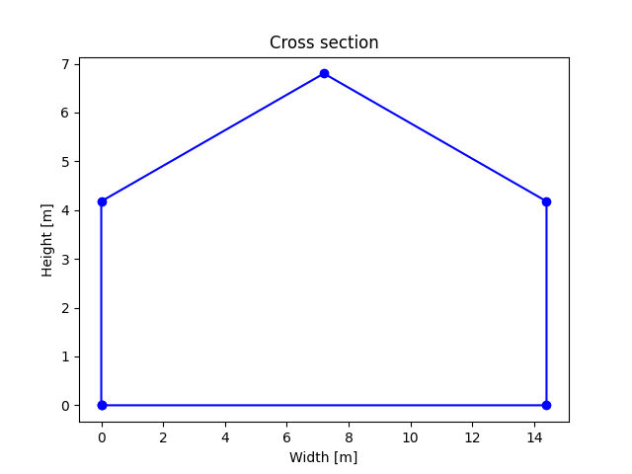

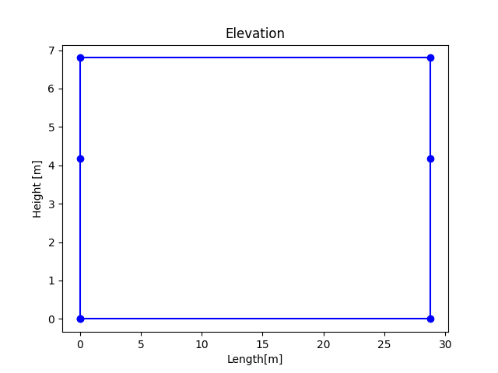

Wind velocity and velocity pressure
Fundamental value of the basic wind velocity |  |  |  |  | vb,0 = | 36 m/s
Directional factor |  |  |  |  | c_dir = | 1 | DS/EN 1991-1-4, 4.2 (2)P
Season factor |  |  |  |  | c_season = | 1 | DS/EN 1991-1-4, 4.2 (2)P
The basic wind velocity |  |  | vb = c_dir * c_season * vb,0 = |  |  | 36 m/s | DS/EN 1991-1-4, 4.2 (2)P
Orography factor |  |  |  |  | co(z)= | 1 | DS/EN 1991-1-4, 4.3.1
Terrain category |  |  |  |  |  | III
Reference height |  |  |  |  | ze = | 6.8 m
Roughness length |  |  |  |  | z0 = 0.3 m |  | DS/EN 1991-1-4, table 4.1
Minimum height |  |  |  |  | zmin = 5 m
Roughness length for terrain category II |  |  |  |  | z0_II = 0.05 m
Terrain factor |  | kr = 0.19 * (z0/z0_II)^0.07 = 0.22
Maximum height |  | zmax = 200 m
Terrain roughness |  | cr(ze) = kr * ln(z/z0) = 0.67 for zmin ≤ ze ≤ zmax |  |  |  |  | DS/EN 1991-1-4, 4.3.2
Mean wind velocity |  | vm = cr(ze) * co(ze) * vb = 0.67 * 1 * 36 = 24.2 m/s |  |  |  |  | DS/EN 1991-1-4, 4.3.1
Turbulence factor |  |  |  |  | KI = 1 |  | DS/EN 1991-1-4, 4.4
Standard deviation of wind velocity fluctuations
 |  | σv = KI * vb * kr = 1 * 36 * 0.22 = 7.75 m/s |  |  |  |  | DS/EN 1991-1-4, 4.4
Turbulence intensity |  | Iv = σv/vm = 7.75 / 24.2 = 0.32 for zmin ≤ ze ≤ zmax |  |  |  |  | DS/EN 1991-1-4, 4.4

Wind peak velocity pressure diagram

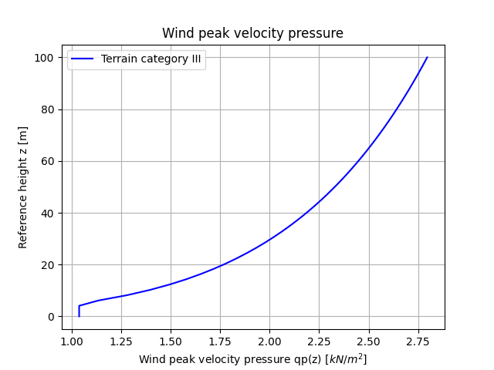
 |  |  |  |  |  |  | DS/EN 1991-1-4, 4.5

Wind peak velocity pressure at ze |  |  |  | qp(ze) = | 1.187 kN/m2 |  | DS/EN 1991-1-4, 4.5

Wind load in longitudinal direction

External pressure coefficients on vertical walls

h = 6.8 m |  | d = 28.8 m |  | b = 14.4 m |  |  | DS/EN 1991-1-4, fig 7.5
e = b or 2h whichever is smaller = 13.6 m |  |  |  | h/d = 0.24

Take into account the lack of correlation of wind pressure
between the windward and leeward side
h/d <= 1 and rho = 0.85 |  |  | e < d

Zone | Area [m2] | Cpe10 | Cpe1 | Cpe | Ext.pressure [kPa] |  | DS/EN 1991-1-4, table
A | 18.5 | -1.2 | -1.4 | -1.2 | -1.42 |  | 7.1
B | 73.98 | -0.8 | -1.1 | -0.8 | -0.95
C | 103.36 | -0.5 | -0.5 | -0.5 | -0.59 |  | DS/EN 1991-1-4, fig 7.2
D | 79.05 | 0.7 | 1.0 | 0.7 | 0.71 |  | Lack of correlation is
E | 79.05 | -0.3 | -0.3 | -0.3 | -0.3 |  | considered
 |  |  |  |  |  |  | for zone D and E
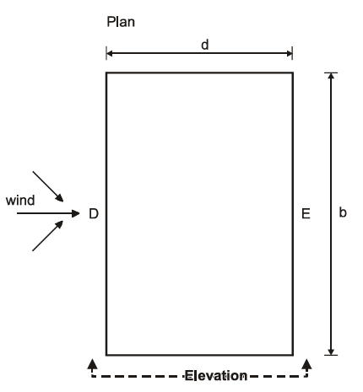

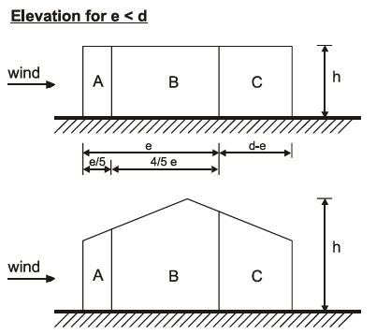

External pressure coefficients on the roof
Wind direction: 90 degree, pitch angle = 20 degree

Zone | Area [m2] | Cpe10 | Cpe1 | Cpe | Ext.pressure [kPa]
F | 4.92 | -1.23 | -1.83 | -1.42 | -1.68
G | 5.5 | -1.33 | -2.0 | -1.51 | -1.79 |  | DS/EN 1991-1-4, fig 7.8
H | 41.68 | -0.67 | -1.2 | -0.67 | -0.79 |  | DS/EN 1991-1-4
I | 168.57 | -0.5 | -0.5 | -0.5 | -0.59 |  | table 7.4b

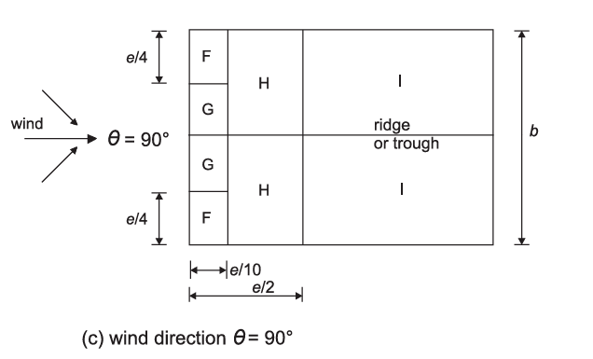

 |  |  |  |  |  |  | DS/EN 1991-1-4, fig 7.8

Internal wind pressure coefficient: cpi = 0.2 and -0.3 |  |  |  |  |  |  | DS/EN 1991-1-4, 7.2.9
Structural factor cscd = 1.0 |  |  |  |  |  |  | DS/EN 1991-1-4, 6.2

Combine external and internal pressures to get net pressure

Case 1: combine with cpi = 0.2 |  |  |  | Case 2: combine with cpi = -0.3

Zone | Net pressure [kPa] |  |  | Zone | Net pressure [kPa]
A | -1.66 |  |  | A | -1.07
B | -1.19 |  |  | B | -0.59
C | -0.83 |  |  | C | -0.24
D | 0.47 |  |  | D | 1.06
E | -0.54 |  |  | E | 0.05
F | -1.92 |  |  | F | -1.33
G | -2.03 |  |  | G | -1.43
H | -1.03 |  |  | H | -0.44
I | -0.83 |  |  | I | -0.24

Wind load in transverse direction

External pressure coefficients on vertical walls

h = 6.8 m |  | d = 14.4 m |  | b = 28.8 m |  |  | DS/EN 1991-1-4, fig 7.5
e = b or 2h whichever is smaller = 13.6 m |  |  |  | h/d = 0.47

Take into account the lack of correlation of wind pressure
between the windward and leeward side
h/d <= 1 and rho = 0.85 |  |  | e < d

Zone | Area [m2] | Cpe10 | Cpe1 | Cpe | Ext.pressure [kPa] |  | DS/EN 1991-1-4, table
A | 18.5 | -1.2 | -1.4 | -1.2 | -1.42 |  | 7.1
B | 73.98 | -0.8 | -1.1 | -0.8 | -0.95
C | 5.44 | -0.5 | -0.5 | -0.5 | -0.59 |  | DS/EN 1991-1-4, fig 7.2
D | 120.37 | 0.73 | 1.0 | 0.73 | 0.74 |  | Lack of correlation is
E | 120.37 | -0.36 | -0.36 | -0.36 | -0.36 |  | considered
 |  |  |  |  |  |  | for zone D and E

External pressure coefficients on the roof
Wind direction: 0 degree, pitch angle = 20 degree
Case 1
Zone | Area [m2] | Cpe10 | Cpe1 | Cpe | Ext.pressure [kPa]
F | 4.92 | -0.77 | -1.83 | -1.1 | -1.3
G | 31.84 | -0.7 | -1.5 | -0.7 | -0.83
H | 178.99 | -0.27 | -0.27 | -0.27 | -0.32
I | 178.99 | -0.4 | -0.4 | -0.4 | -0.47
J | 41.68 | -0.83 | -1.17 | -0.83 | -0.99

Case 2
F | 4.92 | -0.77 | -1.83 | -1.1 | -1.3
G | 31.84 | -0.7 | -1.5 | -0.7 | -0.83
H | 178.99 | -0.27 | -0.27 | -0.27 | -0.32
I | 178.99 | 0.0 | 0.0 | 0.0 | 0.0
J | 41.68 | 0.0 | 0.0 | 0.0 | 0.0

Case 3
F | 4.92 | 0.37 | 0.37 | 0.37 | 0.44
G | 31.84 | 0.37 | 0.37 | 0.37 | 0.44
H | 178.99 | 0.27 | 0.27 | 0.27 | 0.32
I | 178.99 | -0.4 | -0.4 | -0.4 | -0.47
J | 41.68 | -0.83 | -1.17 | -0.83 | -0.99

Case 4
F | 4.92 | 0.37 | 0.37 | 0.37 | 0.44
G | 31.84 | 0.37 | 0.37 | 0.37 | 0.44
H | 178.99 | 0.27 | 0.27 | 0.27 | 0.32
I | 178.99 | 0.0 | 0.0 | 0.0 | 0.0
J | 41.68 | 0.0 | 0.0 | 0.0 | 0.0

